Descriptive Statistics
Dataset
E
F
G
P
F
G
E
G
G
G
E | Range Start | A2
F | Range End | A61
G | # Records | 60
P
E
G | Rating | Frequency | Relative Frequency | Cummulative Frequency
E | Excellent​ (E) | 16 | 0.267 | 0.267
G | Good​ (G) | 29 | 0.483 | 0.750
E | Fair​ (F) | 8 | 0.133 | 0.883
E | Poor​ (P) | 7 | 0.117 | 1.000
G
G
E
E
G
G
F
G
P
G
G
G
E
F
G
G
G
F
P
F
G
E
E
G
G
E
F
P
G
P
P
G
E
G
G
G | 0.75
G
E
E
G

Dataset
26
26
27
28
30
31
31
32
32
33 | Stem | Leaf
33 | 2 | 6678
34 | 3 | 0112233444459
34 | 4 | 001444578
34 | 5 | 0012233457788
34
35
39
40
40 | 2 | (5) | 6678
41 | 3 | (0) | 01122334444
44 | 3 | (5) | 59
44 | 4 | (0) | 001444
44 | 4 | (5) | 578
45 | 5 | (0) | 00122334
47 | 5 | (5) | 57788
48
50
50
51
52
52
53
53
54
55
57
57
58
58

 | Time_(minutes) | Order_Size_($)
 | 30 | 400
 | 27 | 333
 | 29 | 351
 | 17 | 271
 | 34 | 170
 | 17 | 21
 | 10 | 325
 | 37 | 201
 | 36 | 20
 | 16 | 179
 | 39 | 381
 | 33 | 134

Dataset
11
33
17
46
38
33
45
11
15
23 | k | 2^k | n |  | Range Start | A200
34 | 1 | 2 | 25 |  | Range End | A250
33 | 2 | 4 | 25 |  | # Records | 25
49 | 3 | 8 | 25 |  | # Classes | 5
28 | 4 | 16 | 25 |  | Min Value | 11
32 | 5 | 32 | 25 |  | Max Value | 49
37 | 6 | 64 | 25 |  | Class Width | 10
16 | 7 | 128 | 25 |  | Mean | 29.84
36 | 8 | 256 | 25 |  | Median | 33
28 | 9 | 512 | 25 |  | Mode | 33
46 | 10 | 1024 | 25 |  | Standard Deviation | 12.35
44
19
13 | Category | Class Start | Class End | Frequency | Relative Frequency | Cumm Frequency | Mean Group | Standar Deviation
46 | Cat1 | 0 | 10 | 0 | 0.000 | 0.000 | 0
13 | Cat2 | 10 | 20 | 8 | 0.320 | 0.320 | 120
 | Cat3 | 20 | 30 | 3 | 0.120 | 0.440 | 75
 | Cat4 | 30 | 40 | 8 | 0.320 | 0.760 | 280
 | Cat5 | 40 | 50 | 6 | 0.240 | 1.000 | 270
 | Cat6 | 50 | 60 | 0 | 0.000 | 1.000 | 0
 | Cat7 | 60 | 70 | 0 | 0.000 | 1.000 | 0
 | Cat8 | 70 | 80 | 0 | 0.000 | 1.000 | 0
 | Cat9 | 80 | 90 | 0 | 0.000 | 1.000 | 0
 | Cat10 | 90 | 100 | 0 | 0.000 | 1.000 | 0
 |  |  |  |  |  |  | 29.8

Descriptive Statistics-2
 |  |  |  | Set_1: | Set_2:
 |  |  |  | 12 | 5
 |  |  |  | 23 | 9
 |  |  |  | 13 | 2
 |  |  |  | 24 | 6
 |  |  |  | 18 | 8

 | Standard Deviation | 5.52 | 2.74
 | Mean | 18.00 | 6.00
 | Coefficient of variation | 30.68 | 45.64
 | Covariance | 10.25
 | Correlation | 0.68

 | Mean | 725.00
 | Standar deviation sample | 75.00
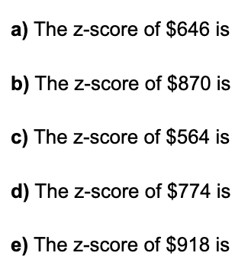
 |  | -1.05

 |  | 1.93

 |  | -2.15

 |  | 0.65

 |  | 2.57

Dataset
9
40
24
18
32
20
35
6
37 | 15th Percentile | 10.8
 | 45th Percentile | 22.4
 | 85th Percentile | 38.5

 |  |  |  | 3.2

 |  |  |  | 77.4

 | Team | Wins (ESPN) | Losses (ESPN)
 | Arizona Diamondbacks | 93 | 69
 | Atlanta Braves | 72 | 90
 | Baltimore Orioles | 75 | 87
 | Boston Red Sox | 93 | 69
 | Chicago Cubs | 92 | 70
 | Chicago White Sox | 67 | 95
 | Cincinnati Reds | 68 | 94
 | Cleveland Indians | 102 | 60
 | Colorado Rockies | 87 | 75
 | Detroit Tigers | 64 | 98
 | Houston Astros | 101 | 61
 | Kansas City Royals | 80 | 82
 | Los Angeles Angels | 80 | 82
 | Los Angeles Dodgers | 104 | 58
 | Miami Marlins | 77 | 85
 | Milwaukee Brewers | 86 | 76
 | Minnesota Twins | 85 | 77
 | New York Mets | 70 | 92
 | New York Yankees | 91 | 71
 | Oakland Athletics | 75 | 87
 | Philadelphia Phillies | 66 | 96
 | Pittsburgh Pirates | 75 | 87
 | San Diego Padres | 71 | 91
 | San Francisco Giants | 64 | 98
 | Seattle Mariners | 78 | 84
 | St. Louis Cardinals | 83 | 79
 | Tampa Bay Rays | 80 | 82
 | Texas Rangers | 78 | 84
 | Toronto Blue Jays | 76 | 86
 | Washington Nationals | 97 | 65

Dataset
68
50
13
61
80
39
41
30
88
88
36
15 | 15 | 36 | 66.3
11
14 |  | 51.3
36
20
8
71
15
32

Dataset
267
261
255
249
241
234
228
223
215
208
202
196
191 | 179 | 196 | 223 | 249 | 267
185 |  |  | 222
179

Dataset |  | Range Start | A159
87 |  | Range End | A176
72 |  | # Records | 17
67 |  | Mean | 70.35
88 |  | Median | 72
56 |  | Mode | 72
51 |  | Standard Deviation | 30.06
64 |  | Variace | 903.40
43 |  | Range | 147
12
72
95
82
44
159
80
47
77

Probability Introduction
 |  |  |  |  |  |  | _ | Event_A | Event_B
 |  |  |  |  |  |  | Event_C | 16 | 42 | 58
 |  |  |  |  |  |  | Event_D | 22 | 5 | 27
 |  |  |  |  |  |  | Event_E | 7 | 8 | 15
 |  |  |  |  |  |  |  | 45 | 55 | 100

 |  |  |  | 0.16
 |  |  |  | 0.22
 |  |  |  | 0.08
 |  |  |  | 0

 |  |  |  |  |  |  | _ | Event_A | Event_B
 |  |  |  |  |  |  | Event_C | 15 | 19 | 34
 |  |  |  |  |  |  | Event_D | 5 | 27 | 32
 |  |  |  |  |  |  | Event_E | 27 | 7 | 34
 |  |  |  |  |  |  |  | 47 | 53 | 100

 | 0.84

 |  | 0.84

Internet | 0.81
TV | 0.71
Internet & TV | 0.68

 |  |  |  | 5040

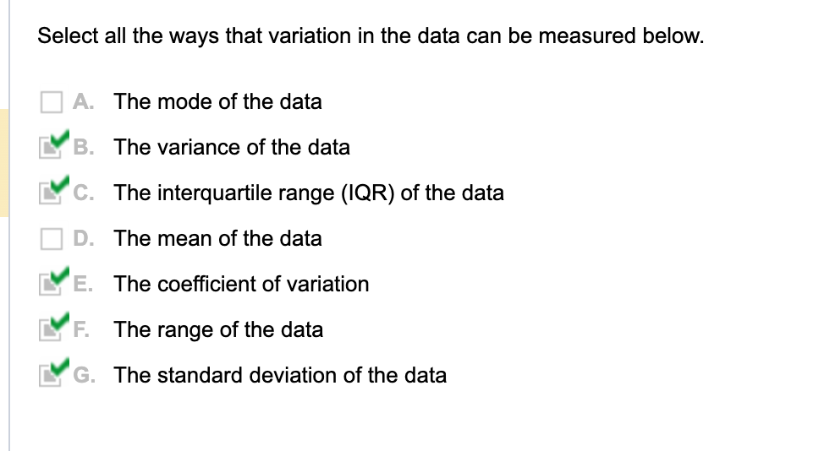

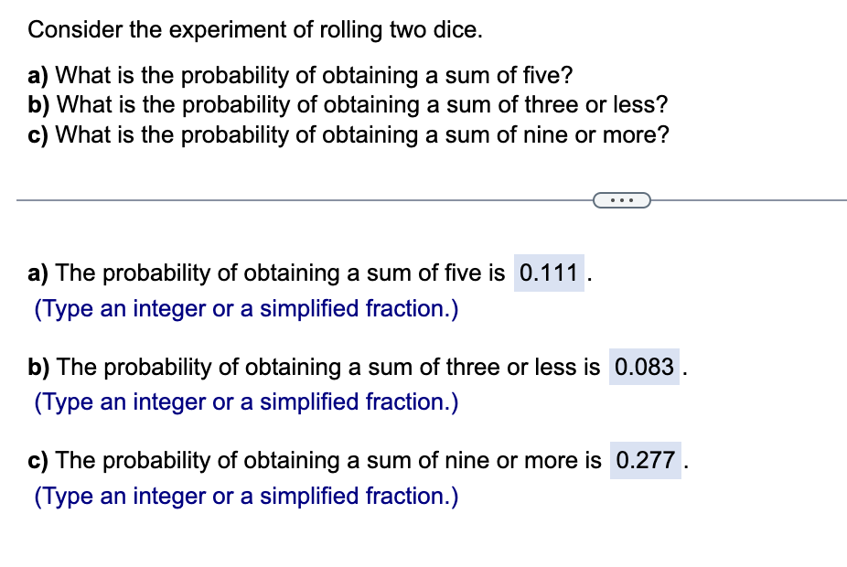
 |  |  |  |  | Posibilities | 36

 |  |  |  |  | P Sum == 5 | 0.111 | {1,4}{2,3}{3,2}{4,1}

 |  |  |  |  | P Sum == 1 | 0.000
 |  |  |  |  | P Sum == 2 | 0.028 | {1,1}
 |  |  |  |  | P Sum == 3 | 0.056 | {1,2}{2,1}
 |  |  |  |  |  | 0.083

 |  |  |  |  | P Sum == 9 | 0.111 | {3,6}{4,5}{5,4}{6,3}
 |  |  |  |  | P Sum == 10 | 0.083 | {4,6}{5,5}{6,4}
 |  |  |  |  | P Sum == 11 | 0.056 | {5,6}[6,5}
 |  |  |  |  | P Sum == 12 | 0.028 | {6,6}
 |  |  |  |  |  | 0.2778

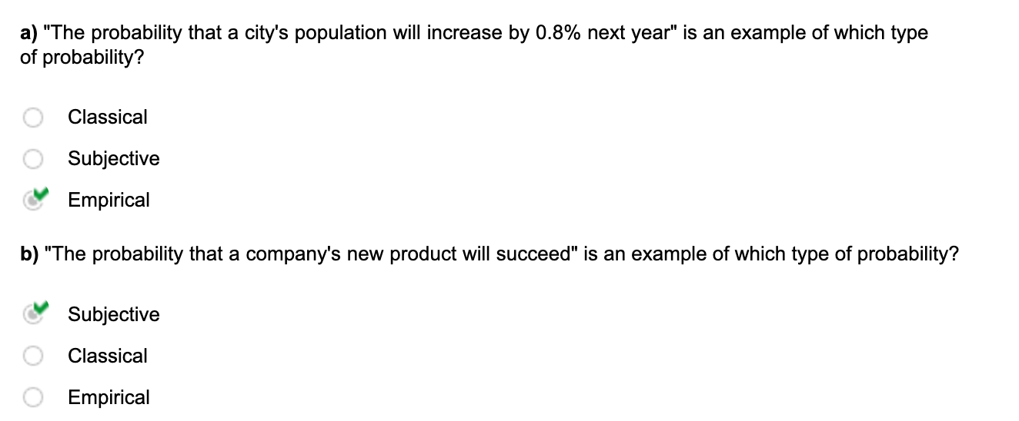

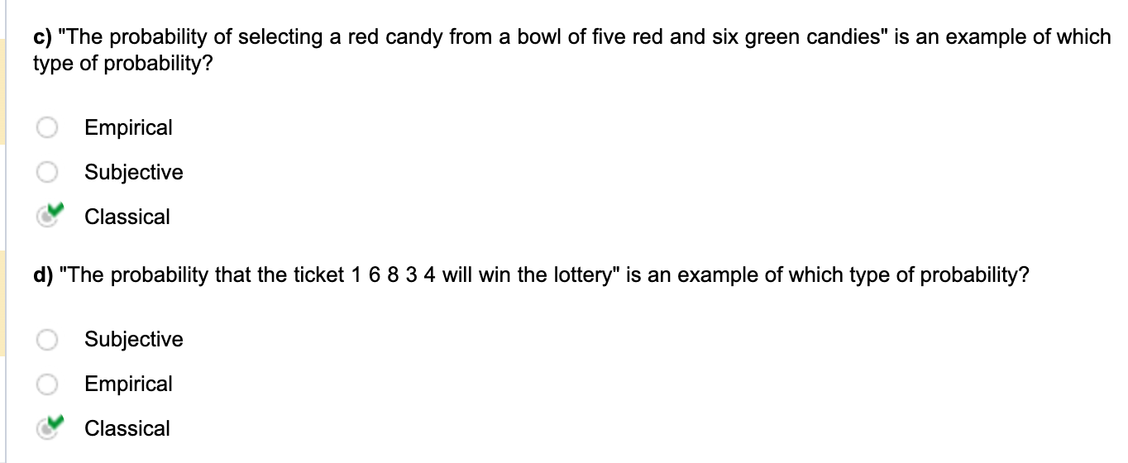

 |  |  |  |  |  |  | Salary_Range | Frequency
 |  |  |  |  |  |  | Under_$60,000 | 4
 |  |  |  |  |  |  | $60,000_to_under_$70,000 | 5
 |  |  |  |  |  |  | $70,000_to_under_$80,000 | 9
 |  |  |  |  |  |  | $80,000_to_under_$90,000 | 6
 |  |  |  |  |  |  | $90,000_to_under_$100,000 | 7
 |  |  |  |  |  |  | $100,000_or_more | ?
 |  |  |  |  |  |  | Total | 33

 |  |  |  |  | 2

 |  |  |  |  |  |  | 0.061

 |  |  |  |  |  |  | 0.879

 |  |  |  |  |  |  | 0.455

Company | Cars | Trucks | Total
Company A | 7 | 7 | 14
Company B | 15 | 1 | 16
Company C | 7 | 2 | 9
Total | 29 | 10 | 39

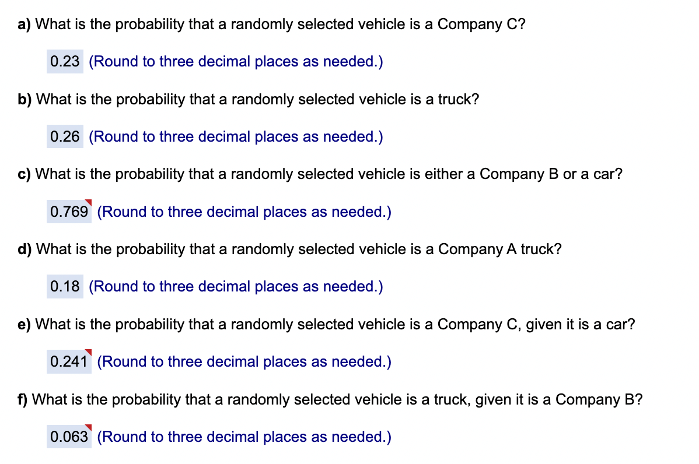

 |  |  |  |  | a) | 0.231
 |  |  |  |  | b) | 0.256
 |  |  |  |  | c) | 0.769 | 0.385 | 0.385
 |  |  |  |  | d) | 0.179
 |  |  |  |  | e) | 0.241
 |  |  |  |  | f) | 0.063

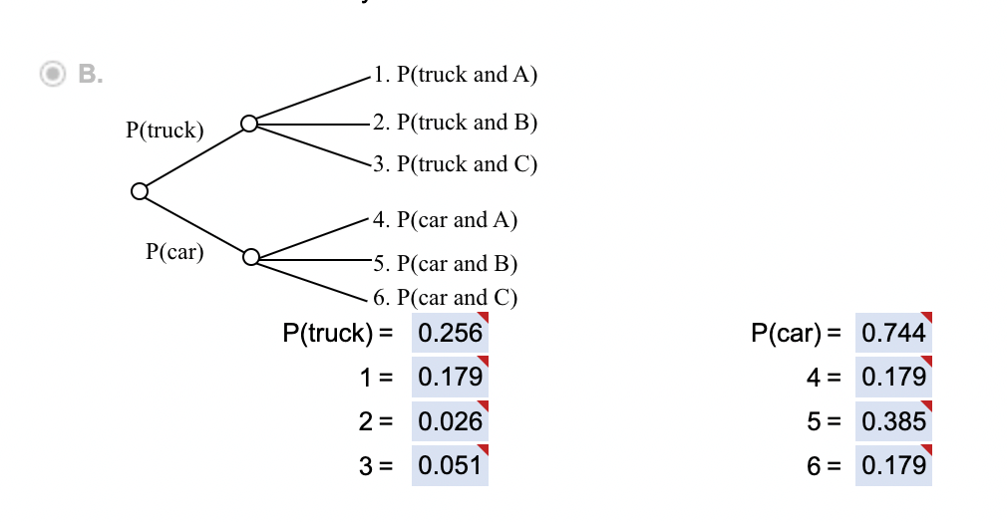

 |  |  |  |  | Truck | Car
 |  |  |  |  | 0.256 | 0.744
 |  |  |  |  | 0.179 | 0.179
 |  |  |  |  | 0.026 | 0.385
 |  |  |  |  | 0.051 | 0.179

_ | Insured | Uninsured | Total
Under_18_years | 67,289 | 7,106 | 74,395
18_to_24_years | 21,816 | 8,717 | 30,533
25_to_34_years | 29,890 | 11,193 | 41,083
35_to_44_years | 31,362 | 8,543 | 39,905
45_to_64_years | 67,855 | 13,982 | 81,837
65_years_and_older | 38,036 | 759 | 38,795
Total | 256,248 | 50,300 | 306,548

 |  |  |  |  |  | a) | 0.0284
 |  |  |  |  |  | b) | 0.1705 | 0.036513042003 | 0.13401816355 | 0.16408523298 | 0.81675944334
 |  |  |  |  |  | c) | 0.9804

